Sheet1
PERFORMANCE CHART AT N~2850 r/min
 | SS-150 | SS-180 | SS-250 | SS-450 | SS-750 | SS-1100 | SS-1500 | SS-2200 | SS-3000
0 | 6 | 7 | 8.5 | 12 | 14 | 15 | 16 | 19 | 22
6 | 1.6 | 3.9 | 5.4 | 10.7 | 13.1 | 14.4 | 15.7 | 18.8 | 21.8
9 |  |  | 1.6 | 9 | 12 | 13.7 | 15.3 | 18.5 | 21.5
12 |  |  |  | 6.7 | 10.5 | 12.6 | 14.7 | 18.1 | 21.1
18 |  |  |  | 0 | 6.1 | 9.6 | 13.1 | 16.9 | 20
24 |  |  |  |  | 0 | 5.4 | 10.8 | 15.2 | 18.5
30 |  |  |  |  |  | 0 | 7.8 | 13.1 | 16.5
36 |  |  |  |  |  |  | 5.5 | 11.5 | 14.9
42 |  |  |  |  |  |  | 0 | 7.5 | 11.2
48 |  |  |  |  |  |  |  | 4 | 7.9
54 |  |  |  |  |  |  |  | 0 | 4.2
60 |  |  |  |  |  |  |  |  | 0
SUBMERSIBLE SEWAGE PUMP
SS
Applications
Sewage treatment plants Industrial draining Agriculture irrigation
Operating conditions
Maximum fluid temperature up to +50°C
Motor and Pump
Rewindable motor Single-phase:220 - 240V/50Hz Three-phase: 380 - 415V/50Hz Available with float switch Can work in water containing fiber Curve tolerance according to ISO 9906
Options in request
Special mechanical seal Other voltages or frequency 60Hz
Warranty: 1 year
(according to our general sales conditions)
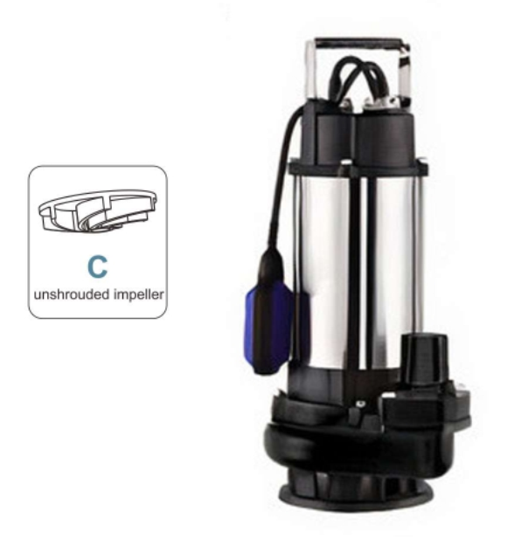
Components |  | Material
Motor external casing |  | Cast iron G20
Mechanical seal |  | Graphite-Ceramic
Shaft |  | AISI 304 SS-ASTM 5140
Seal lubricant oil |  | Oil for food machinery

MODEL |  | P₂ |  | DELIVERY N~2850 RPM
1 Phase 220-240V | 3 Phase 380 - 415V | kW | HP | Q | l/min | 0 | 100 | 150 | 200 | 300 | 400 | 500 | 600 | 700 | 800 | 900 | 1000
 |  |  |  |  | m³/h | 0 | 6 | 9 | 12 | 18 | 24 | 30 | 36 | 42 | 48 | 54 | 60
SSM-150F | SS-150 | 0.15 | 0.2 | H(m) |  | 6 | 1.6
SSM-180F | SS-180 | 0.18 | 0.25 |  |  | 7 | 3.9
SSM-250F | SS-250 | 0.25 | 0.33 |  |  | 8.5 | 5.4 | 1.6
SSM-450F | SS-450 | 0.45 | 0.6 |  |  | 12 | 10.7 | 9 | 6.7 | 0
SSM-750F | SS-750 | 0.75 | 1 |  |  | 14 | 13.1 | 12 | 10.5 | 6.1 | 0
SSM-1100F | SS-1100 | 1.1 | 1.5 |  |  | 15 | 14.4 | 13.7 | 12.6 | 9.6 | 5.4 | 0
SSM-1500F | SS-1500 | 1.5 | 2 |  |  | 16 | 15.7 | 15.3 | 14.7 | 13.1 | 10.8 | 7.8 | 5.5 | 0
SSM-2200F | SS-2200 | 2.2 | 3 |  |  | 19 | 18.8 | 18.5 | 18.1 | 16.9 | 15.2 | 13.1 | 11.5 | 7.5 | 4 | 0
- | SS-3000 | 3 | 4 |  |  | 22 | 21.8 | 21.5 | 21.1 | 20 | 18.5 | 16.5 | 14.9 | 11.2 | 7.9 | 4.2 | 0

